Sheet1
Haas Hand-on Test Form (Rev A)
Question to be asked: | Max of 5 | Name of Testing Operator: _____________________

Safety Apparel
Safety Glasses | 5
When should you be wearing Safety Glasses? (Always) | 5
Why are Safety Glasses important to wear in a shop environment? (Chips & Dirt in eyes) | 5
Pants | 5
Closed Shoes (steel toes=5) | 5
Work shirt | 5
Hair Tied Up | 5
Jewelry (Rings, Chains, Watch) | 5

Total | 40

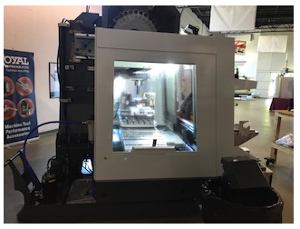
Left Side of Machine
Left Side Window | 5
Chip Shoot | 5
Tool Change Carousel | 5
Coolant Return | 5
Coolant Tank | 5
How often should the coolant be checked? (Daily) | 5
What in the coolant tank should you be checking? (Levels & Concentrate) | 5
What is the tool used to check the concentrate level? (refractometer) | 5

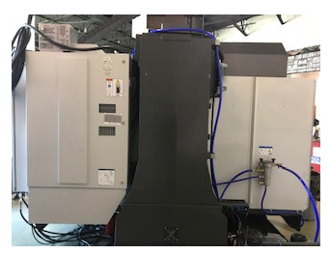
Total | 40
Back of Machine
Electric Cabnet | 5
Power ON/OFF Switch | 5
How often should you go in the Electric Cabnet? (Never) | 5

Total | 15

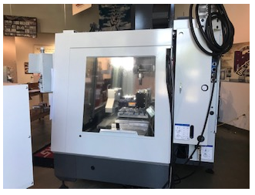
Right Side of Machine
Right Side Window | 5
Lube & Air Cabnet (2.5 for air & 2.5 for Lube) | 5
Air Pressure Gage | 5
Is the Air Pressure Gage reading correct? (80 to 110psi) | 5
Plugs for Rotary table (Bonus Question) | 5

Total | 25

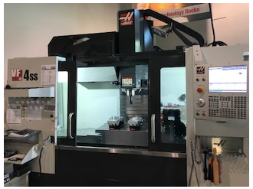
Front of Machine
Front Doors | 5
Control Panel | 5
Wash Down Hose | 5
Air Gun | 5
What should you do if you see water coming from the air gun? (Tell a Superviser) | 5
Door Interlocks | 5

Total | 30

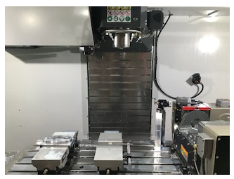
Inside the Machine
Table | 5
Vise/Fixture | 5
Spindle | 5
Tool Release Button | 5
Chip Auger | 5
Coolant Ring | 5
Tool Changer Arm | 5
Total | 35
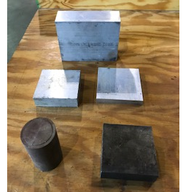
Raw Material Station
Did the operator pick the correct material? (3 x 3 x 1.0 Aluminum) | 5
Did the operator know this was: 3 X 3 X 1.0 Steel | 5
Did the operator know this was: 1 3/4 Round Stock | 5
Did the operator know this was: 3.5 x 3.5 x .5 Aluminum | 5
Did the operator know this was: 3 x 3 X 1.0 Aluminum | 5
Did the operator know this was: 5 x 4 x 1 3/4 Aluminum | 5
Can the operator measure the 5 x 4 x 1 3/4 material w/ a Tape Measure? | 5
Total | 35

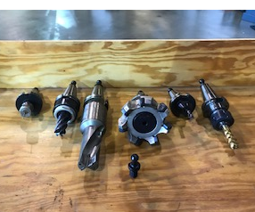
Tool Station
Does the operator know the different tools in this station? | N/A
3/4-10 Tap in Collet Holder | 5
3/8 Finishing Endmill in Endmill Holder | 5
4" Facemill (45 deg Inserts) | 5
1 5/8 Insert Drill (2 Inserts) | 5
1" Roughing Endmill | 5
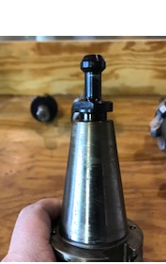
1/8" HSS Drill in Collet Holder | 5
Pull Stud or Retention Knob | 5
Do you see any problems w/the above tools? (Pull Stud was not tight on 1 5/8 Drill) | 5

Total | 40

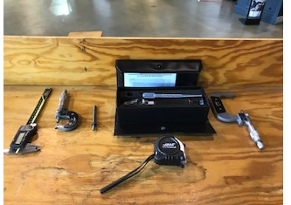
Measuring Tool Station
Does the operator know the different measuring tools in this station? | N/A
Calipers | 5
0-1 mic | 5
Thread Gage | 5
Refractometer | 5
Tape Measure | 5
2-3 Mic | 5

Total | 30

Control Panel
E-Stop | 5
What happens when you press E-stop? (Stops all movement & alarms the machine) | 5
Reset | 5
What happens when you press Reset? (Stops all movement & Resets the program) | 5
Feed Hold | 5
What happens when you press Feed Hold? (Stops Axis movement, Spindle remains on, Pause Program) | 5
Cycle Start | 5
What happens when you press Cycle Start? (Start Axis movement, Starts Spindle, Starts Program) | 5
Single Block | 5
What happens when you press Single Block? (Runs program one line at a time.) | 5
How do you Advance the program if Single Block is On? (Must press Cycle Start to advance program) | 5
Optional Stop | 5
What happens when you press Optional Stop? (Program will pause at M01) | 5
Position Button | 5
From the video, What Position Screen is recommend? (Distance To Go) | 5
How does Distance to Go work? (Tells you the distance remaining in that move) | 5
Rapid Overrides | 5
From the video, What rapid over % is recommend? (25%) | 5
Feed & Spindle Overrides | 5
From the video, When should you a adjust the Feed or Spindle Overrides? (Never) | 5

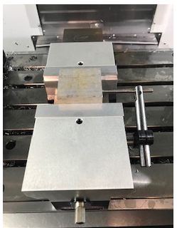
Total | 100
Loading Raw Material
Opening Vise | 5
Used air gun or rag to clean jaws? | 5
Part setted in jaws correctly? | 5
Part push to stop correctly? | 5
Closed Vise | 5
Removed Vise Handle | 5
Tapped part w/ soft hammer? | 5
Why not load the part with the saw cut against the jaws? | 5

Total | 40

Running Part Program
Slowed down rapids | 5
Change Position Screen to Distance to Go | 5
Pressed single block | 5
Fingers on Cycle Start & Feed Hold | 5
Can the operator stop the machine? (Press E-stop or Reset or Feed Hold) | 5
Did operator check that program information matched print information? | 5
Closed Doors | 5
Did operator need help with 1st tool in program? (Yes or No) | Yes or No
Did operator become more confident as the program continued? (Yes or No) | Yes or No

Total | 35

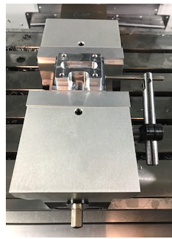
Remove Part & Load Raw Material Again
Did operator open doors & use air gun to clean part? | 5
Did operator stand behind the door when using the air gun? | 5
Opened vise | 5
Removed part & cleaned with air gun or rag? | 5
Used air gun or rag to clean jaws on vise? | 5
Part setted in jaws correctly? | 5
Part push to stop correctly? | 5
Closed Vise | 5
Removed Vise Handle | 5
Tapped part w/ soft hammer? | 5
Why not load the part with the saw cut against the jaws? | 5
Total | 55
Stop the Machine with E-Stop!!!!!
Have the operator start to run the part program again w/no single block & rapid at 50%. | N/A
Tell the operator you are going to tell them to stop the machine with E-Stop. | N/A
As the 1st tool is moving down in Z, YELL to stop the machine!!!!! | N/A
Total (Trainer can give up to 10 points) | 10

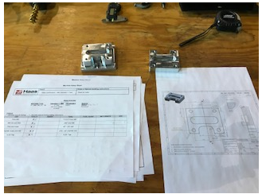
Checking Part Sizes
2.750 +/-.005 (Calipers) | 5
2.250 +/-.001 (2-3 Mic) | 5
Did the operator use a 2-3 Mic for checking the 2.250 +/-.001? | 5
.625 +/-.005 Slot (Calipers) | 5
.600 +/-.005 Thickness (Calipers) | 5
1/4-20 Threads (Thread Gage) | 5

Total | 30

Totals From Above Stations
 | 40
Total for Safety Apparel | 40
Total for Left Side of Machine | 15
Total for Back of Machine | 25
Total for Right Side of Machine | 30
Total for Front of Machine | 35
Total for Inside the Machine | 35
Total for Raw Material Station | 40
Total for Tool Station | 40
Total for Measuring Tool Station | 30
Total for Control Panel | 100
Total for Loading Raw Material | 40
Total for Running Part Program | 35
Total for Remove Part & Load Raw Material Again | 55
Total for Stop the Machine with E-Stop!!!!! | 10
Total for Checking Part Sizes | 30

Total Points From Above | 600
Total Points From Avaiable | 600
Your Final Score in % | 100%

